Sheet1
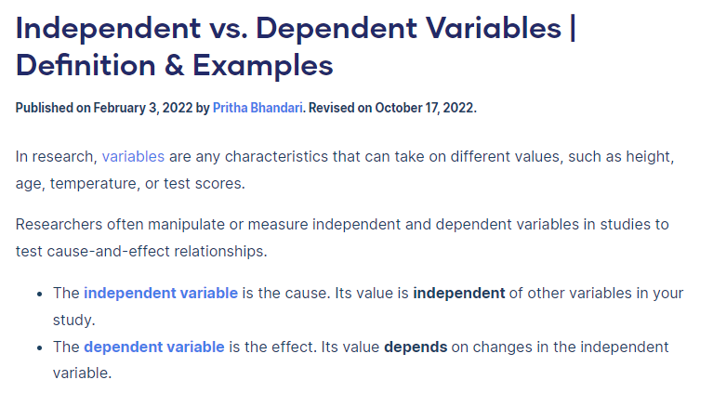
File Name | Column | Label / Full Name of Variable | Full Name of column | Definition of Variable | Source | Type of Variable |  | Level of measurement | Coding options | Defination of Variable - Dependent or Independent
 |  |  |  |  |  | Qualitative / Quantatative | Categorical Discr / Contin | Nominal / Interval / Ordinal / Ratio
 | A | (Blank) | (Blank) | Index column - starting on 0 and finishing on row 92385. Index runs to 14772 items | Input | Quantative | Continious | Interval | Sequential numbering - appears to be set by the computer | Independent Variable
ORG_APROD | A | Time frequency |  | Defines the frequency in which the data is entered - in this instance, data is inputted annually | Fixed | Quantative | Discrete | Interval | sequential numbering - by year of data submission | Dependent Variable
ORG_APROD | B | Agricultural products |  | Describes the type of organically produced agricultural prodcuts. Products are categorised by 23 distinct codes | Fixed | Qualitative | Discrete | Nominal | 23 different coding options available
ORG_APROD | C | Unit of measure |  | Data are expressed in '1000 kg of carcass w eight' (for meat production), '1000 kg' (for dairy products production) or 'Number' (eggs).
 | D | Geopolitical entity (reporting) |  | The country which is reporting the data - 33 distinct countries members of the EU or associated with the European Community trading block are included
 | E | Time |  | Defines the year in which the data is reported for

https://data.gov.ie/dataset/drainage-gully-cleaning-programme

 |  |  |  |  |  | scribbr.com/methodology/independent-and-dependent-variables/

